Mechanical Design Certificate
Mechanical Design Certificate

Pursuant to the provisions of Clause A5.2 of the National Construction Code 2019 Admt 1, Volume 1. |  |  |  |  |  |  |  | Pursuant to the provisions of Clause A5G3 of the National Construction Code 2022, Volume 1.
I | Qing Felix Ye |  | of | Premium Consulting Engineers
 | (Appropriately qualified person) |  |  | (Firm)
 | Suite 802, 299 Sussex Street, Sydney NSW 2000
 | (Address)
Qualifications and experience:
Please select the clauses from the following list to suit the porject.
 | Master of HVAC Engineering, Chartered Professional Engineer (MIEAust No.: 3631369);
 | NSW Fair Trading C9 Certifier (Reg No.: BDC04672); and
 | NSW Fair Trading Mechanical Design Practitioner (Reg No.: DEP0000275)

Hereby certify:
That the Mechanical Services Drawings and Specifications have been checked and comply with:
• | The relevant clauses of the National Construction Code 2019 Amendment 1. |  |  |  |  |  |  | • | The relevant clauses of the National Construction Code 2022.
 | BCA Clause |  | Description (Mechanical) |  |  |  |  |  | BCA Clause | Description (Mechanical)
 | Specification C1.10(5) |  | Fire Resistance Fire Hazard Property Air-handling ductwork |  |  |  |  |  | Specification 7(S7C5) | Fire Resistance Fire Hazard Property Air-handling ductwork
 | C1.10(5) |  | Fire Resistance Fire Hazard Property Air-handling ductwork |  |  |  |  |  | C2D11 | Fire Resistance Fire Hazard Property Air-handling ductwork
 | C3.9 |  | Fire Resistance Protection of openings Service penetrations in fire-isolated exits |  |  |  |  |  | C4D10 | Fire Resistance Protection of openings Service penetrations in fire-isolated exits
 | C3.12 |  | Fire resistance Protection of Openings Openings in floors and ceilings for services |  |  |  |  |  | C4D13 | Fire resistance Protection of Openings Openings in floors and ceilings for services
 | C3.15 |  | Fire resistance Protection of Openings Openings for service installations |  |  |  |  |  | C4D15 | Fire resistance Protection of Openings Openings for service installations
 | E2.2 (a), (b)& (c) |  | Smoke Hazard Management General requirements Air Handling Systems |  |  |  |  |  | E2D3 | Smoke Hazard Management General requirements Air Handling Systems
 | F4.5 |  | Health and Amenity Light and Ventilation Ventilation of rooms |  |  |  |  |  | F6D6 | Health and Amenity Light and Ventilation Ventilation of rooms
 | F4.6 |  | Health and amenity Light and ventilation Natural Ventilation |  |  |  |  |  | F6D7 | Health and amenity Light and ventilation Natural Ventilation
 | F4.11 |  | Health and Amenity Light and Ventilation Carparks |  |  |  |  |  | F6D11 | Health and Amenity Light and Ventilation Carparks
 | F4.12 |  | Health and Amenity Light and Ventilation Kitchen local exhaust ventilation |  |  |  |  |  | F6D12 | Health and Amenity Light and Ventilation Kitchen local exhaust ventilation
 | F6.3 |  | Health and amenity Condensation management Flow rate and discharge of exhaust systems |  |  |  |  |  | F8D4 | Health and amenity Condensation management Flow rate and discharge of exhaust systems
 | J3.5 |  | Energy Efficiency Building Sealing Exhaust Fans |  |  |  |  |  | J5D6 | Health and amenity Condensation Management Ventilation of roof spaces
 | J5 |  | Energy Efficiency Air-conditioning and Ventilation Systems |  |  |  |  |  | J6 | Energy Efficiency Air-conditioning and Ventilation Systems
 | NSW E2D16 |  | Automatic Shutdown

• | The referenced Australian Standards listed in the Building Code of Australia (Schedule 4 Referenced Documents) as follows:
 | Standard |  | Description (Mechanical) |  |  |  |  |  | Standard | Description (Mechanical)
 | AS1668.1:2015 |  | The use of ventilation and airconditioning in Buildings Part 1: Fire and Smoke Control in buildings |  |  |  |  |  | AS1668.1:2015 | The use of ventilation and airconditioning in Buildings Part 1: Fire and Smoke Control in buildings
 | AS1668.2:2012 |  | The use of ventilation and air conditioning in buildings Part 2: Mechanical ventilation for acceptable indoor-air quality |  |  |  |  |  | AS1668.2:2012 | The use of ventilation and air conditioning in buildings Part 2: Mechanical ventilation for acceptable indoor-air quality
 | AS1668.4:2012 |  | The use of ventilation and air conditioning in buildings Part 4: Natural ventilation of the buildings |  |  |  |  |  | AS1668.4:2012 | The use of ventilation and air conditioning in buildings Part 4: Natural ventilation of the buildings

Note: manually input project specific building information
• | Fire Engineering Report prepared by BCA Logic (Document No.: 110942-FER-r5)
• | Carppark Ventilation CFD Assessment prepared by i-Fire (Document No.: 20-087XA77)

The following is a schedule of the relevant service design drawings and specifications.
 | Drawing Number |  | Drawing Name |  |  |  | Revision
 | M-000 |  | COVER SHEET, DRAWINGS LIST, LEGEND AND NOTES |  |  |  | C
 | M-001 |  | SPECIFICATION |  |  |  | C
 | M-002 |  | EQUIPMENT SCHEDULES |  |  |  | C
 | M-003 |  | DETAILS |  |  |  | C
 | M-100 |  | BASEMENT 2 LAYOUT |  |  |  | C
 | M-101 |  | BASEMENT 1 LAYOUT |  |  |  | C
 | M-200 |  | GROUND FLOOR LAYOUT |  |  |  | C
 | M-201 |  | LEVEL 1 LAYOUT |  |  |  | C
 | M-202 |  | LEVEL 2 LAYOUT |  |  |  | C
 | M-203 |  | LEVEL 3 LAYOUT |  |  |  | C
 | M-204 |  | LEVEL 4 LAYOUT |  |  |  | C
 | M-205 |  | LEVEL 5 LAYOUT |  |  |  | C
 | M-206 |  | LEVEL 6 LAYOUT |  |  |  | C
 | M-207 |  | LEVEL 7 LAYOUT |  |  |  | C
 | M-208 |  | ROOF LAYOUT |  |  |  | C
 | M-300 |  | SCHEMATIC |  |  |  | C
 | 0 |  | 0 |  |  |  | 0
 | 0 |  | 0 |  |  |  | 0
 | 0 |  | 0 |  |  |  | 0
Note: drawing list auto-copied from '01-Project Info' section.

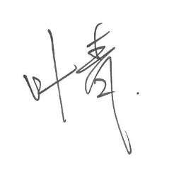
Yours faithfully,

Name: |  | Qing Ye (Felix) |  |  | Date: | 2024-03-12

02-Ventilation Rate
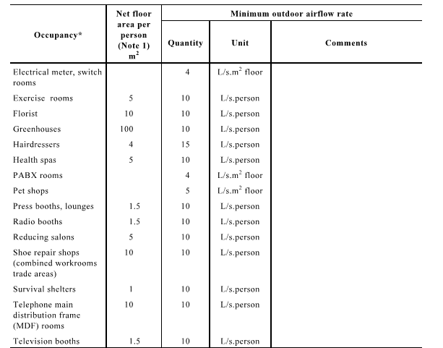
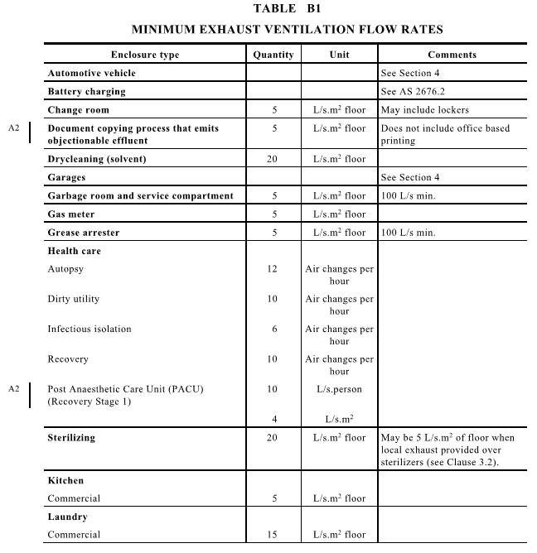
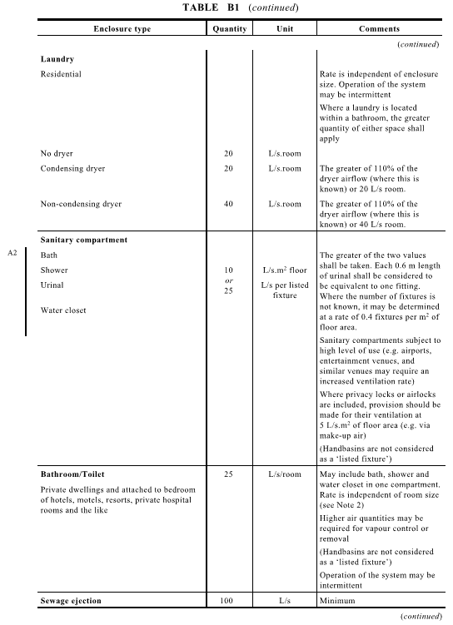
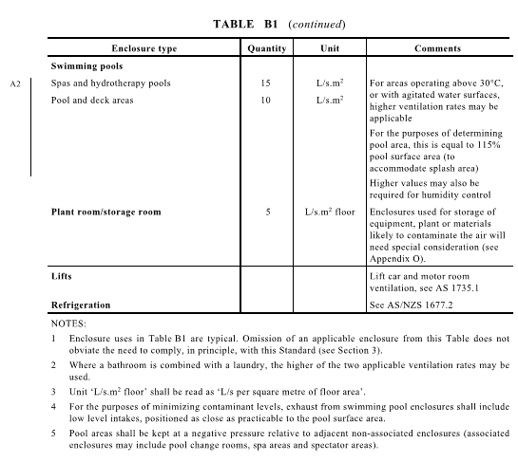
Room Name | Type | Area | Load rate | Air flow
 |  | m2 | W/m2 | L/s
 |  |  |  | 50
 |  |  |  | 0
 |  |  |  | 0
 |  |  |  | 0
 |  |  |  | 0
 |  |  |  | 0

 |  |  |  | 0
 |  |  |  | 0

 |  |  |  | 0
 |  |  |  | 0
 |  |  |  | 0
 |  |  |  | 0
 |  |  |  | 0
 |  |  |  | 0
 |  |  |  | 0
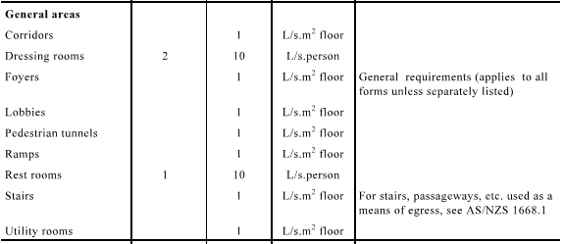
 |  |  |  | 0
 |  |  |  | 0
Examples
Toilet | Exhaust | 8 | 10 | 80
Gabage room | Exhaust | 10 | 5 | 100
Grease Arrestor | Exhaust | 15 | 5 | 100

Plant room | Exhaust/Supply | 15 | 5 | 100

Main Switch room | Supply | 15 | 5 | 75
Distribuiotn Borad room | Supply | 15 | 5 | 75
Stoage | Supply | 10 | 5 | 50
Lobby/Corridor | Supply | 55 | 1 | 55

02a-Nat Vent
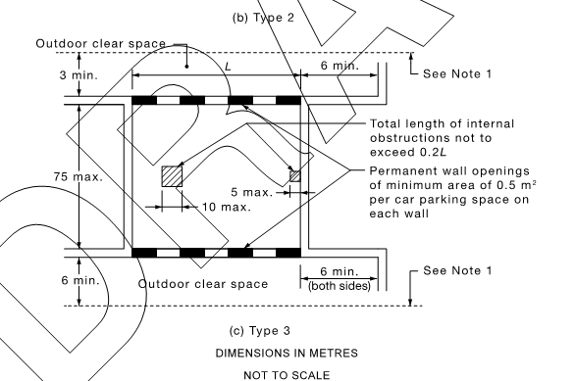
Key: | Project Details | Project: |  | Rouse Road
 | Input | #: |  | Basement Carpark
 | Calculation | Date: |  | 2024-03-12
 | Output | Designed By: |  | STC

 | Total Number of Spaces | 152

 | Nat Vent Details
 |  | Length | Height (m) | Free Area (m2) | Total Free Area (m2) | Total Allowable Car Parking Spaces |  | Parking goal for Nat Vent
 | North Perimeter |  |  | 60% | -10 | -5 | (EXCLUDES MAKE-UP AIR FOR EXHAUST SYSTEM
 | South Perimiter |  |  | 60% | 0 | 0 |  | 82
 | West Perimiter |  |  | 60% | 18 | 36
 |  |  |  |  |  | 31

 | Exhaust System Details
 | Remaining Car Parking Spaces Requiring Mech Exhaust
 | 70 | Spaces

 |  | include clearance details

02b-Carpark Vent
Key: | Project Details | Project: |  |  |  | 32631-18-24 RAILWAY ST LIDCOMBE
 | Input | #: |  |  |  | B4-GF CARPARK
 | Calculation | Date: |  |  |  | 2024-03-12
 | Output | Designed By: |  |  |  | SHL
Functional Space | Description | Area (m²) | P1 | P2 | n1 | d1 | n2 | d2 | C1 | C2 | E | F | T1 | T2 | (A) 0.85xC1xExT1 | (B) 0.85xC2xExT2 | (a) 0.85xCxExT (l/s) | (b) 2000xFxT (l/s) | (c) 2.5xA (l/s) | Min Exhaust Air (l/s) | 10% Safety Margin (m3/s) | Supply Air @ 85% of E/A (m3/s) | Note: 10% margin take out
1 |  |  |  |  |  |  |  |  |  |  |  |  |  |  |  |  |  |  |  |  |  |  |  |  | Exhaust Riser |  |  | Supply Riser
2 |  |  |  |  |  |  |  |  |  |  |  |  |  |  |  |  |  |  |  |  |  |  |  |  | 2.3 | m2 |  | 2.0 | m2
3 | B1 | 1288 | 0.3 | 0.3 | 40 | 80 | 92 | 110 | 2160 | 3036 | 1 | 1 | 1 | 1 | 1836 | 2580.6 | 4416.6 | 2000 | 3220 | 4416.6 | 4.5 | 3.8
4 | B2 | 1434 | 0.3 | 0.3 | 45 | 80 | 47 | 110 | 2430 | 1551 | 1 | 1 | 1 | 1 | 2065.5 | 1318.35 | 3383.85 | 2000 | 3585 | 3585 | 3.6 | 3.0
5 | B3 | 1403 | 0.3 | 0.3 | 47 | 80 | 0 | 0 | 2538 | 0 | 1 | 1 | 1 | 1 | 2157.3 | 0 | 2157.3 | 2000 | 3507.5 | 3507.5 | 3.6 | 3.1

Sub-Total |  |  |  |  |  |  |  |  |  |  |  |  |  |  |  |  |  |  |  |  | 11.7 | 9.9
Other Vehicle Exhausts
Queing Area |  |  |  |  |  |  |  |  |  |  |  |  |  |  |  |  |  |  |  | 0 | 0 | 0
Sub-Total
 |  |  |  |  |  |  |  |  |  |  |  |  |  |  |  |  |  |  |  |  |  |  | 4.1 | m2 | Exhaust louvre size
Total |  |  |  |  |  |  |  |  |  |  |  |  |  |  |  |  |  |  |  |  | 11.7 | 9.9 | 6.6 | m2 | Intake Louvre Size (based on 1.5 m/s)
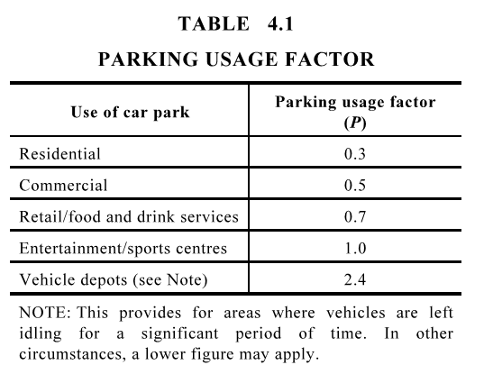
AS1669.2 (2012) Carpark Ventilation |  |  |  |  |  |  |  |  |  |  |  |  |  |  |  |  |  |  |  | Use of car park | Number of vehicles | Parking usage factor (P) |  | E/A Duct Size |  |  |  |  | Second Branch |  |  |  |  | Third Branch
 |  |  |  |  |  |  |  |  |  |  |  |  |  |  |  |  |  |  |  | Residential | 0 | 0.3 |  | FR m3/s | V (m/s) | A (m2) | X (m) | Y (m)
P | Carpark usage factor Table 4.1 (Res - 0.3, Com - 0.5, Retail - 0.7, Ent/Sports - 1.0, Depots 2.4) |  |  |  |  |  |  |  |  |  |  |  |  |  |  |  |  |  |  | Commercial | 132 | 0.5 |  | #REF! | 8 | #REF! | 0.8 | #REF! | #REF! | 7.5 | #REF! | 0.3 | #REF! | #REF! | 7.5 | #REF! | 0.4 | #REF!
n1 | No. of parking spaces on level (Sum of cars, motorcycles etc.) |  |  |  |  |  |  |  |  |  |  |  |  |  |  |  |  |  |  | Retail / food and drinks services | 15 | 0.7 |  | 0.011685 | 7.5 | 0.001558 |  | #DIV/0!
d1 | Ave. exit distance for car on level |  |  |  |  |  |  |  |  |  |  |  |  |  |  |  |  |  |  | Entertainment / Sport centre | 0 | 1
d2 | Ave. exit distance excluding queueing areas for cars on other level going thru this level |  |  |  |  |  |  |  |  |  |  |  |  |  |  |  |  |  |  | Vehicle depots | 0 | 2.4 |  | 0 | 7.5 | 0 |  | #DIV/0!
n2 | No. of cars passing through level from other parts of the car park (Sum of cars, motorcycles etc.) |  |  |  |  |  |  |  |  |  |  |  |  |  |  |  |  |  |  | P - Total | 147 | 0.52040816327 |  | 0 | 7.5 | 0 |  | #DIV/0!
C | Contaminate Rate
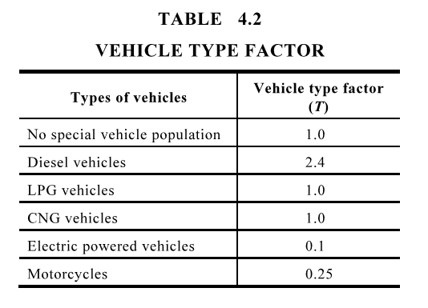
C1 | Contaminant generation rate for cars on the level |  |  |  |  |  |  |  |  |  |  |  |  |  |  |  |  |  |  | Vehicle type factor | Number of vehicles | Vehicle type factor (T) |  | 0.011685 | 7.5 | 0.001558 |  | #DIV/0!
C2 | Contaminant generation rate for cars on other level going thru this level |  |  |  |  |  |  |  |  |  |  |  |  |  |  |  |  |  |  | No special vehicle population | 190 | 1
E | Staff Exposure Level |  |  |  |  |  | See Table 4.3 |  |  |  |  |  |  |  |  |  |  |  |  | Diesel vehicle | 0 | 2.4
F | Staff Usage Factor |  |  |  |  |  | See Table 4.3 |  |  |  |  |  |  |  |  |  |  |  |  | LPG vehicles | 0 | 1
T | Vehicle Type Factor |  |  |  |  |  | See Table 4.2 |  |  |  |  |  |  |  |  |  |  |  |  | CNG vehicles | 0 | 1
T1 | Vehicle type factor for cars on level |  |  |  |  |  |  |  |  |  |  |  |  |  |  |  |  |  |  | Electric powered vehicles | 0 | 0.1
T2 | Vehicle type factor for cars on other level going thru this level |  |  |  |  |  |  |  |  |  |  |  |  |  |  |  |  |  |  | Motorcycles | 0 | 0.25
A | Area (sqm) |  |  |  |  |  |  |  |  |  |  |  |  |  |  |  |  |  |  | T - Total | 190 | 1

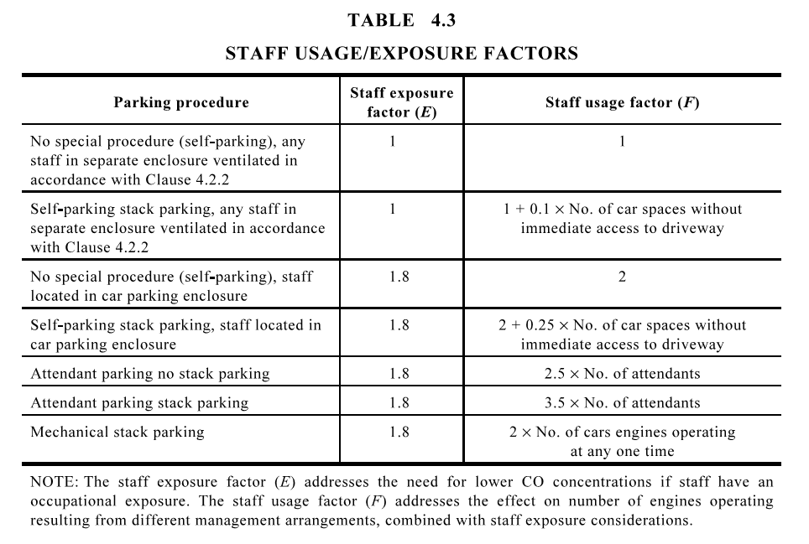

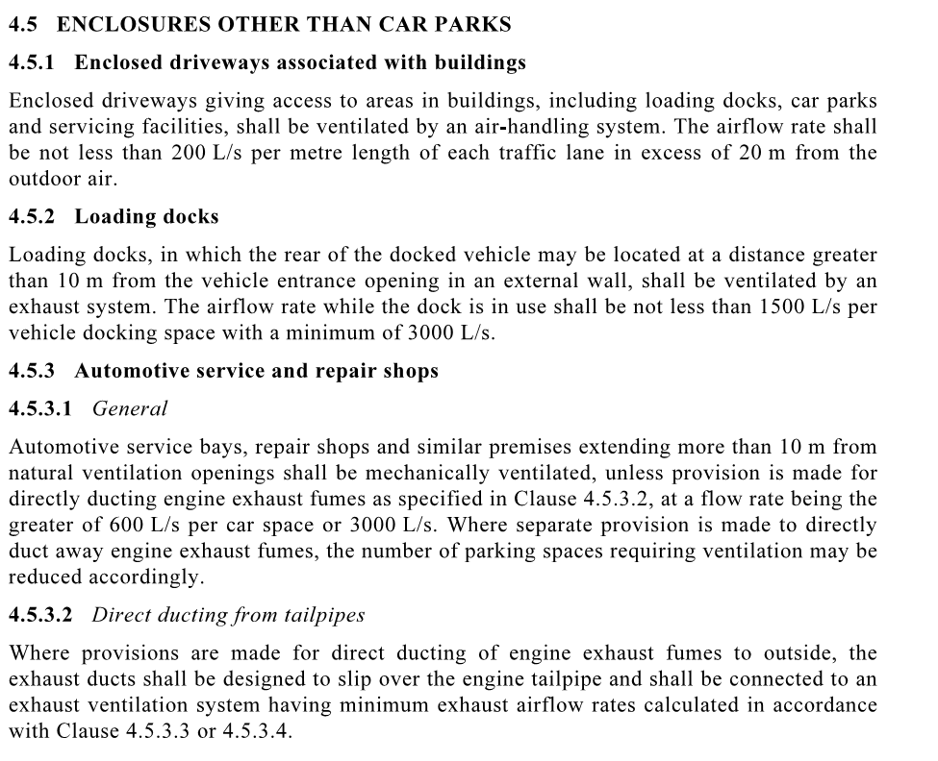

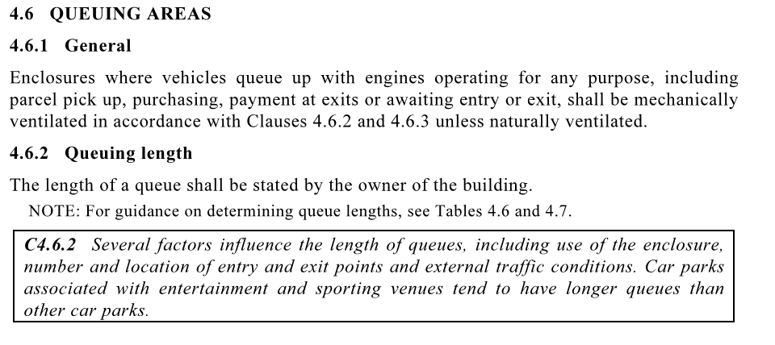

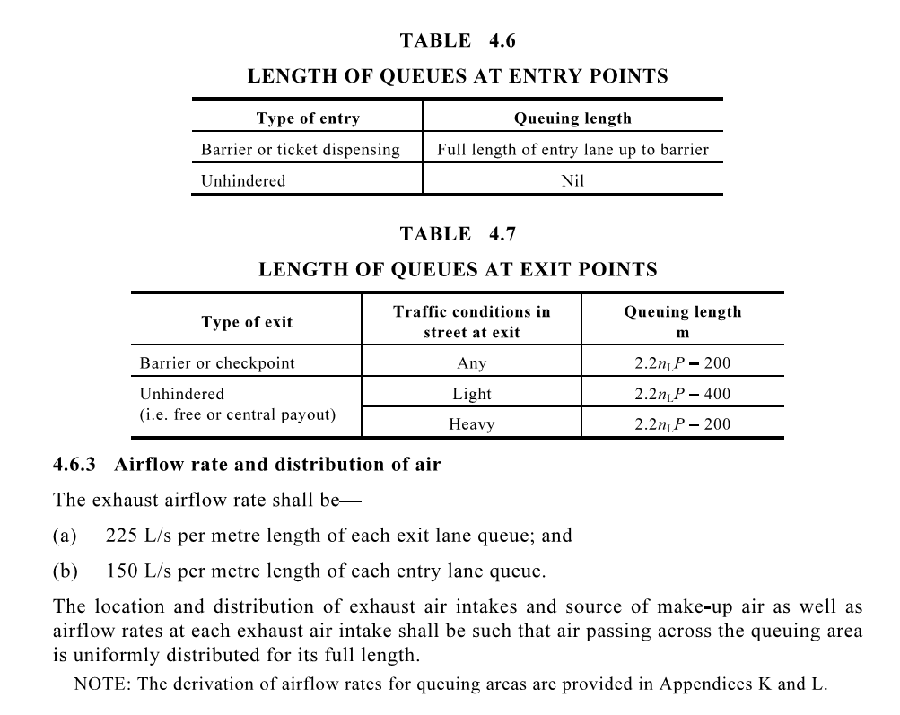

Result 1m (w) x 1m (l) x 2m (h)

